S#1 Rod Worth
SAFETY #1 INTEGRAL ROD WORTH 4 APRIL 2022
11.59 | 1072.9073938
12.3 | 959.6855877
13.2 | 825.95608985
14.26 | 677.94273432
15.22 | 549.23410702
16.14 | 442.6076514
17.01 | 333.46881897
18.01 | 233.36158492
19.4 | 141.30248252
21.01 | 59.960823673
24 | 0
 | 0
0 | 2600

Core
Overhead Veiw of the Core

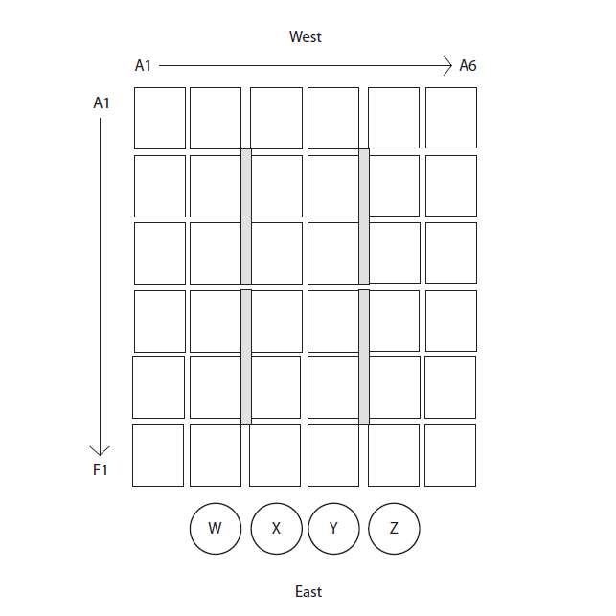

B2

Reflector

C3

Fission Chamber
D4
D6

E5
D6
6% Assembly

F6

